Sheet2
POSITION FEEDBACK STATUS
 | NETURAL | AGREE | DISAGREE
Analyst | 164 | 0 | 41
Intern | 0 | 0 | 68
Junior Developer | 105 | 0 | 74
Manager | 19 | 340 | 0
Senior Developer | 209 | 81 | 0
Team Lead | 202 | 108 | 0
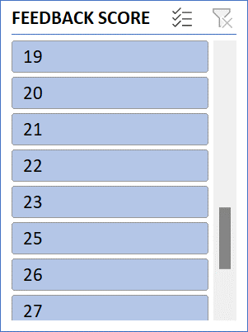
SUM OF FEEDBACK SCORE | Column Labels
Row Labels | AGREE | DISAGREE | NETURAL | Grand Total
Analyst |  | 41 | 164 | 205
Intern |  | 68 |  | 68
Junior Developer |  | 74 | 105 | 179
Manager | 340 |  | 19 | 359
Senior Developer | 81 |  | 209 | 290
Team Lead | 108 |  | 202 | 310
Grand Total | 529 | 183 | 699 | 1411

